JTAG
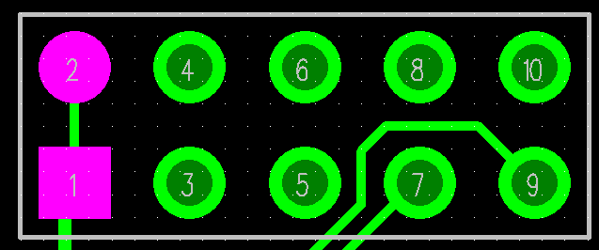
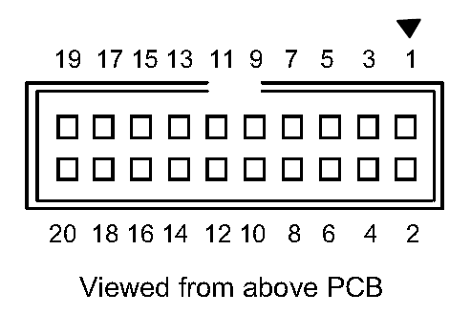
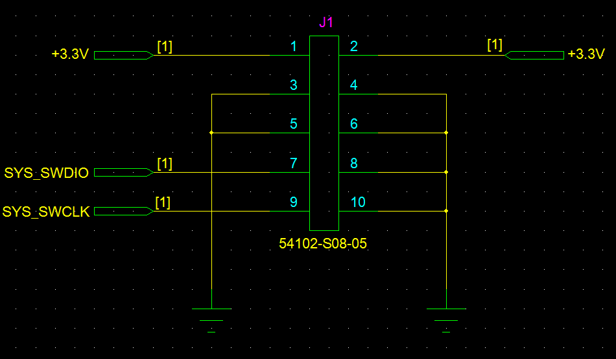
J1
PIN | ST_LINK/V2 |  | LF_GEN V1.0 |  | PIN | ST_LINK/V2 |  | LF_GEN V1.0
 | Funtion | SWD | Funtion | Off-page |  | MCU | SWD | Funtion | Off-page
1 | Target VCC | Target VCC | VCC | +3.3C | 2 | Target VCC | Target VCC | VCC | +3.3C
3 | JTAG TRST | GND(2) | GND | GND | 4 | GND | GND(3) | GND | GND
5 | JTAG TDO | GND(2) | GND | GND | 6 | GND | GND(3) | GND | GND
7 | JTAG TMS, SW IO | SWDIO | SWDIO | SYS_SWDIO | 8 | GND | GND(3) | GND | GND
9 | JTAG TCK, SW CLK | SWCLK | SWCLK | SYS_SWCLK | 10 | GND | GND(3) | GND | GND
11 | NC | NC |  |  | 12 | GND | GND(3)
13 | JTAG TDI, SWO | TRACESWO(4) |  |  | 14 | GND | GND(3)
15 | NRST | NRST |  |  | 16 | GND | GND(3)
17 | NC | NC |  |  | 18 | GND | GND(3)
19 | VDD (3.3V)(5) | NC |  |  | 20 | GND | GND(3)
Target VCC : Board의 VCC를 ST-LINK/V2와 연결한다.
GND(2) : Noise reduction용 GND
GND(3) : Power GND
TRACESWO : Optional: for Serial Wire Viewer (SWV) trace

